Sheet1
Requirement Traceability Matrix
Project Name
Team Name
ID | Status | Area | Type | Functional Requirement | Screen | Comment
1 | Completed | Web | User Interface Wireframe | Registration screen - Apply with social network credential - Traditional sign-up | 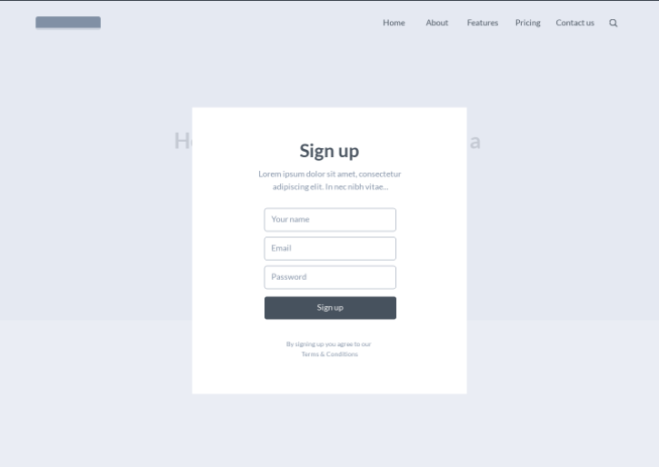
2 | Completed | Web | User Interface Wireframe | Profile (Customer page) - Name | Company - Position - Types of businesses
3 | Completed | Web | User Interface Wireframe | Profile (Freelancers page) - Name - Profile summary (with link where needed): years on the platform number of completed jobs Overall rating score (Review Stars) customer review number of views - General Information: member since xxxx, locations: provinces, country - Work Information: Date of the latest work accepted, Number of jobs accepted, % Jobs completed - Portfolio – can be customized by freelancers - Rating Scores (Review Stars) by types of work - Profile description by freelancers - Experiences & skills & Language Proficiency | 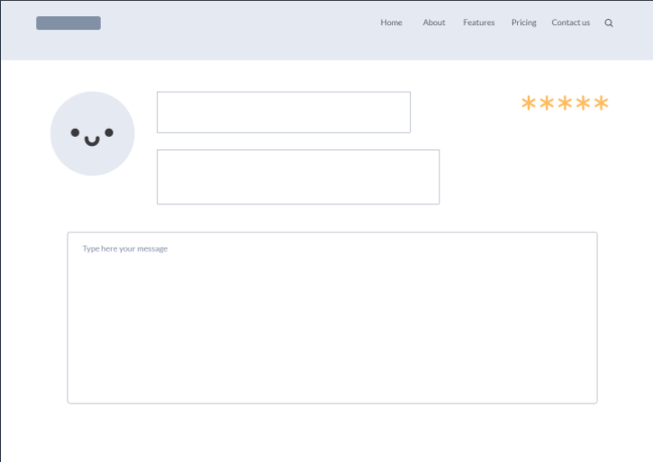 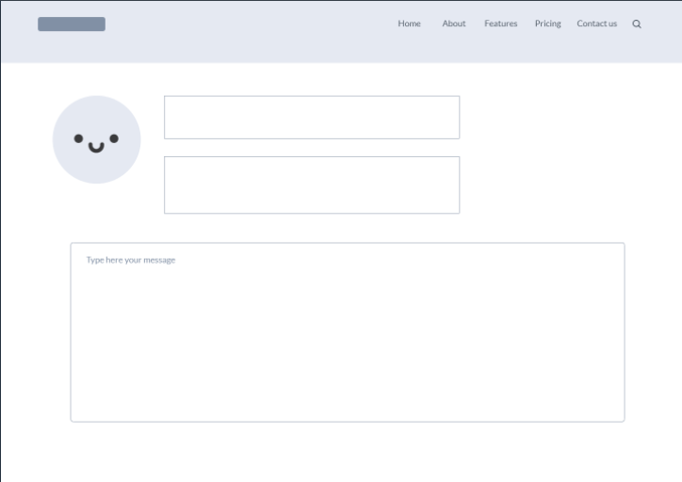
4 | Completed | Web | User Interface Wireframe | Job-Bidding - A close bidding system where recommended price from customer is announced and freelancers are allowed to bid with their own price. - Grouping team members by skills and overall price consideration. [for those who participated] - Manual team selection by the customer (the customer picks who to fulfill which role based on individual price and skills) | 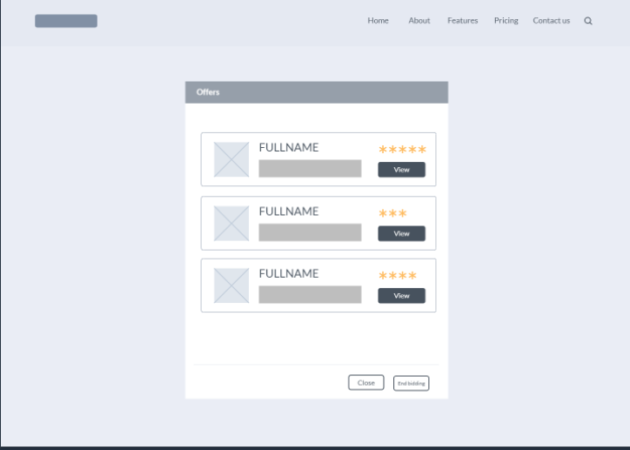
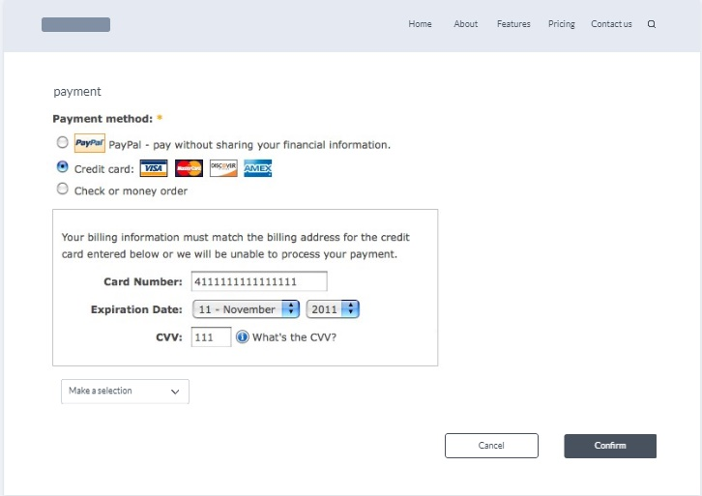
5 | Completed | Web | User Interface | Payment process - Project delivery and accept confirmation* - Payment methods: Star Cruise Points, Credit Card, Account Transfer, etc.*
6 | Completed | Web | User Interface Wireframe | Subscription -Subscription for freelancer to upgrade to fast lane user.
7 | Completed | Web | User Interface Wireframe | Off the shelf -Show the current off the shelf project or software available in the system. -Allow the business own to take a look at each software in detail.
8 | Completed | web | User Interface Wireframe | Job Broadcast -Show list of projects availble for the freelancer to bid -Show the project name, project description, and project owner -Allow the freelancer to take a look at the project in detail
9 | Completed | web | User Interface Wireframe | Made to Order -Contain fields for the business owner to specify the made to order project -The field includes project name, project description, years of experience, and skills
10 | Completed | web | User Interface Wireframe | Quotation Review -Show all the bidding of the freelancer to the project owned by the business owner -Each bidding shows the information of the freelancer and the amount they bid -Show the suggested team formation for the project
11 | Completed | Database | Database | MySQL Database for the websites - Contains all master table and transactions requires in providing website content and service | 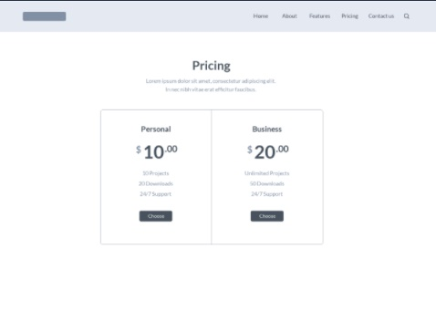 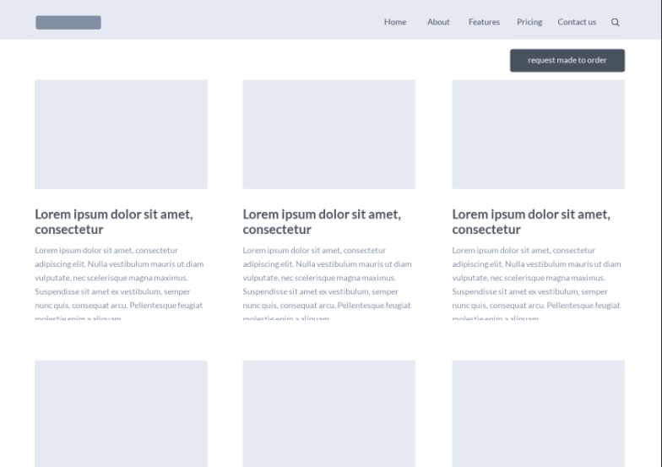 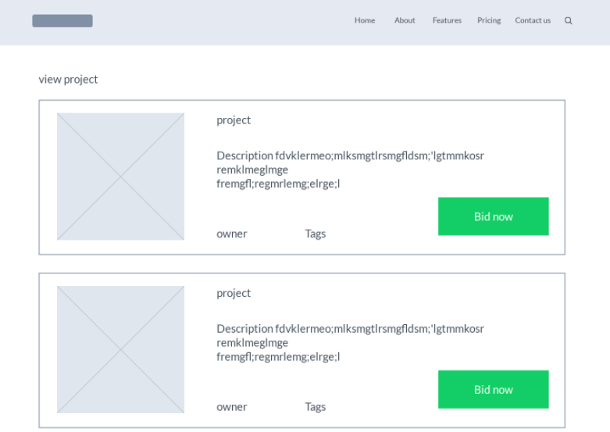 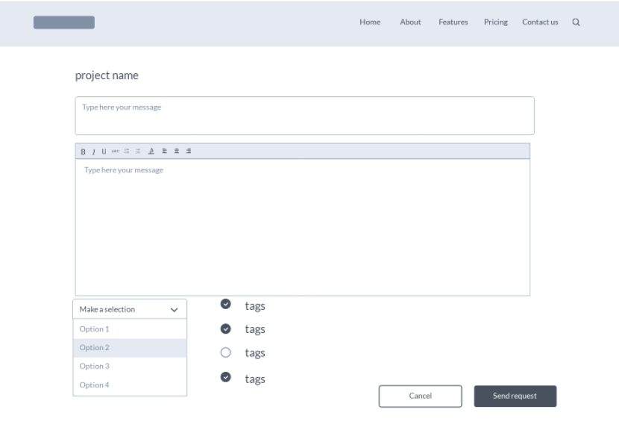 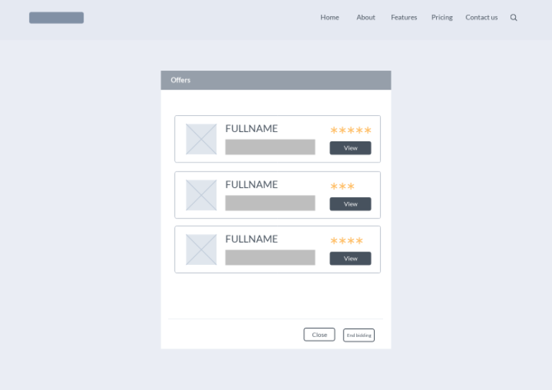 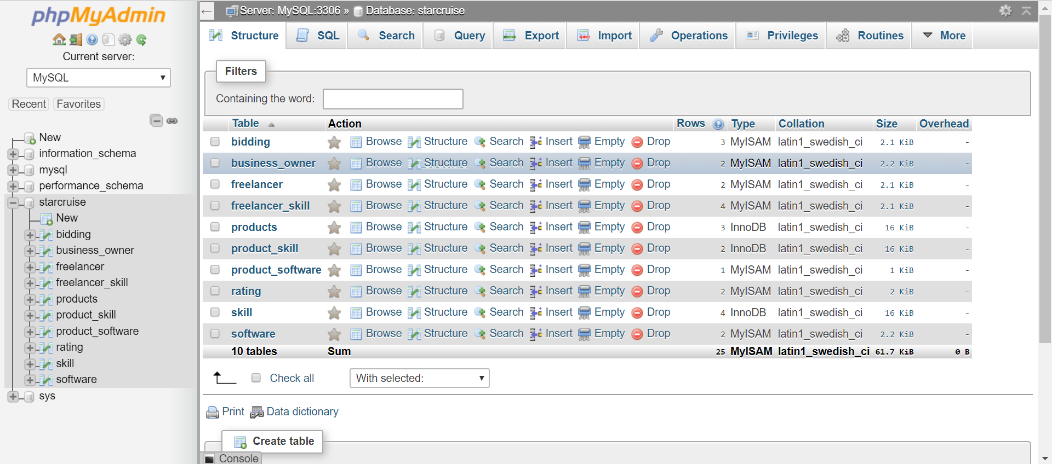
12 | Completed | Web | User Interface | Home Page -Show the index of the web before the user log in to the website -Show the brief description of Star Cruise | 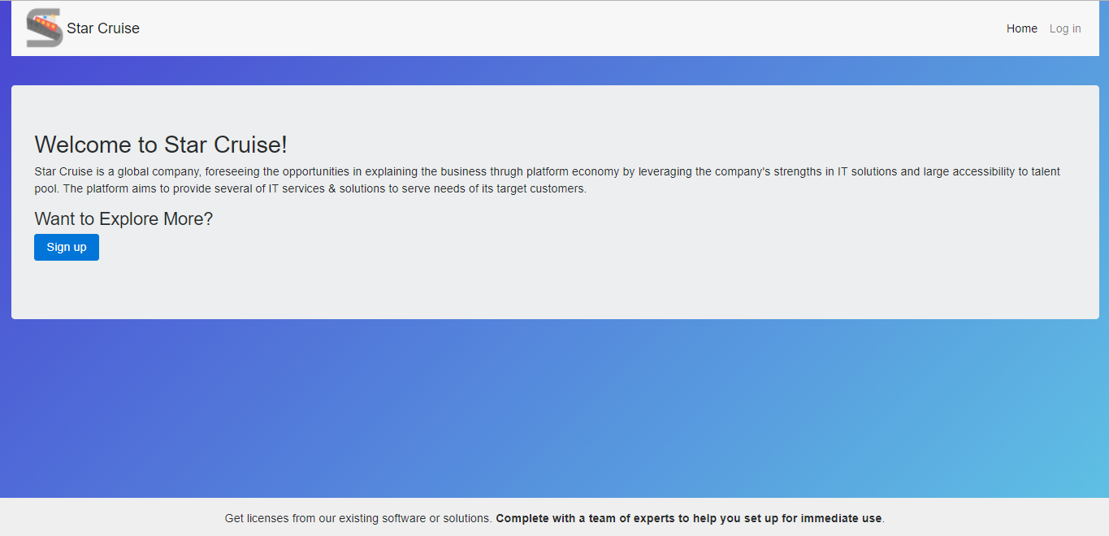
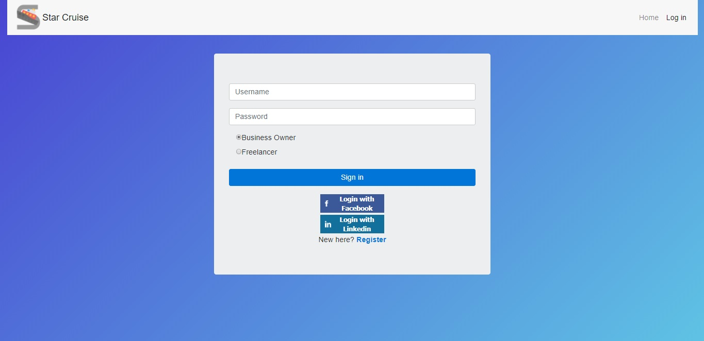
13 | Completed | Web | User Interface | Log in -Allow the user to register and log in -Distinction between business owner and freelancer -Connect to social network

14 | - | Web | User Interface | Dashboard -First page after the user log in -Navigation to other pages according to the type of user

15 | - | Web | User Interface | Software Project -Separate into Off the Shelf and Made to Order project -Available only to business owner
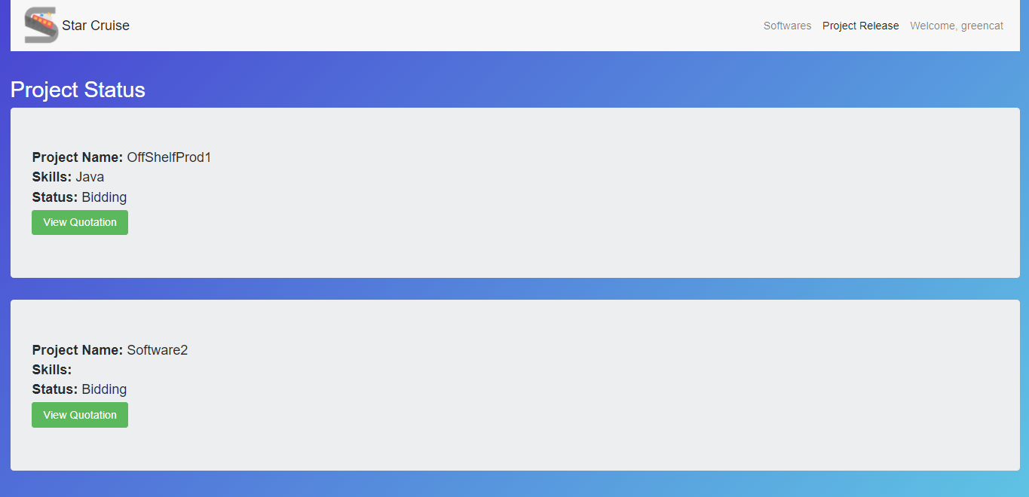
16 | - | Web | User Interface | Project Status -Allow the business owner to see the status of the project they currently own -Available only to business owner
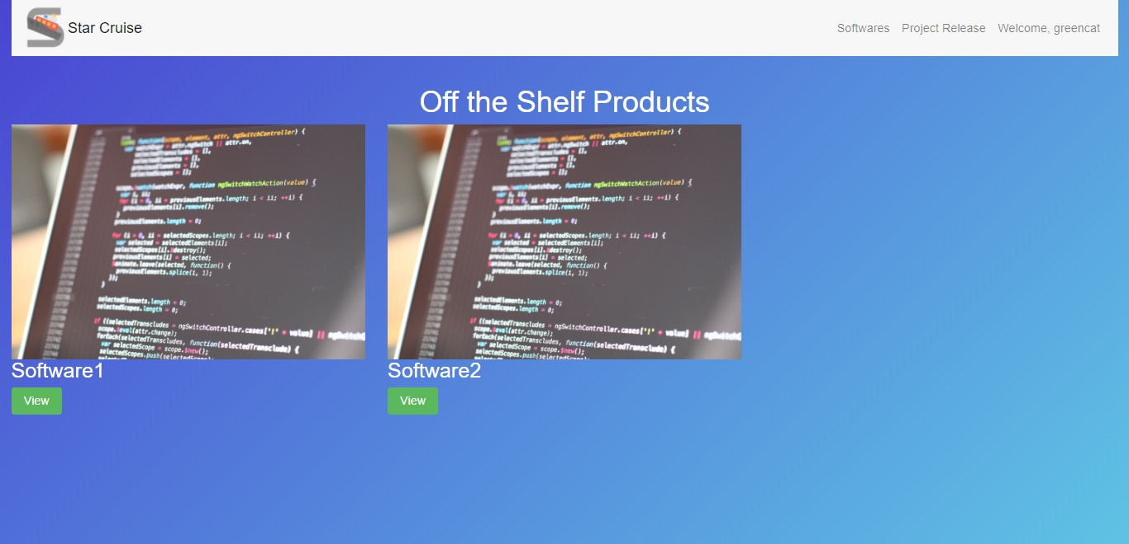
17 | - | Web | User Interface | Off the shelf -Show the current off the shelf project or software available in the system. -Allow the business own to take a look at each software in detail.
17 | - | - | -
18 | - | - | -
19 | - | - | -
20 | - | - | -
21 | - | - | -
22 | - | - | -
23 | - | - | -
24 | - | - | -
25 | - | - | -
26 | - | - | -
27 | - | - | -
28 | - | - | -
29 | - | - | -
30 | - | - | -
31 | - | - | -
32 | - | - | -
33 | - | - | -
34 | - | - | -
35 | - | - | -
36 | - | - | -
37 | - | - | -
38 | - | - | -
39 | - | - | -
40 | - | - | -
41 | - | - | -
42 | - | - | -
43 | - | - | -
44 | - | - | -
45 | - | - | -
46 | - | - | -
47 | - | - | -
48 | - | - | -
49 | - | - | -
50 | - | - | -

